Screem List
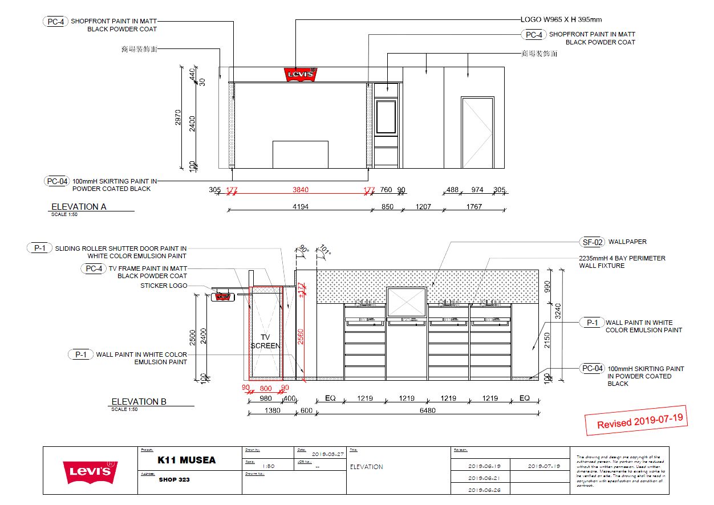
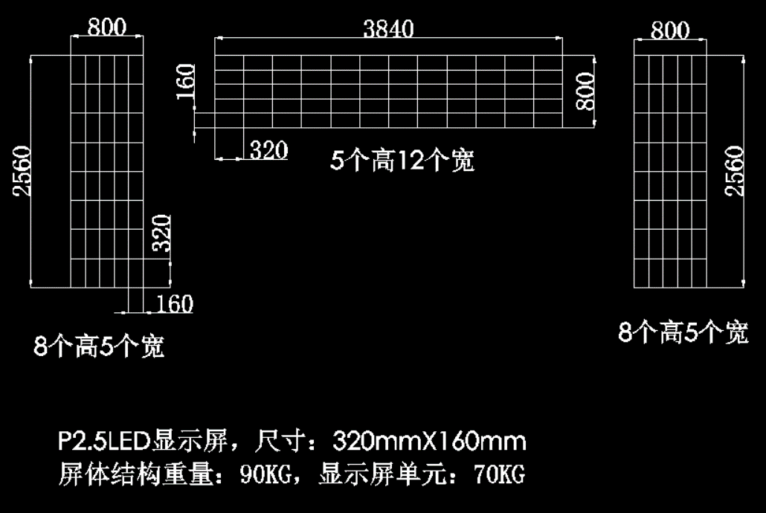

SCREEN POSITION |  | DISPLAY RESOLUTION(px) |  | WIRE JUMPER (Switch-V8 STB) （Line） | POWER LINE (V8 STB) （Line） | EQUIPMENT AMOUNT (V8 STB) | EQUIPMENT AMOUNT (LED Emitter) | LED DISPLAY RESOLUTION (px) | SPLITED SCREEM IMAGE | COMMENTS
LED TYPE | SCREEM ID | ORIGINAL RESOLUTION | SPLITED RESOLUTION
P2.5 | shopfront-L | 320*1024 | 320*1024 | 1 | 1 | 1 | 1 | 320*1024
P2.5 | shopfront-R | 320*1024 | 320*1024 | 1 | 1 | 1 | 1 | 320*1024
P2.5 | wallpaper | 1536*320 | 1536*320 | 1 | 1 | 1 | 1 | 1536*320
 |  |  |  | 3 | 3 | 3 | 3

shopfront-L
1024
 | 320
A1

shopfront-R
1024
 | 320
A1

